Set up
Using JUNIT 5 with a plain java project: 7:00 https://www.youtube.com/watch?v=o5pE7L2tVV8
Create a plain old java project
https://www.youtube.com/watch?v=o5pE7L2tVV8 - Brian Fraiser 7:39

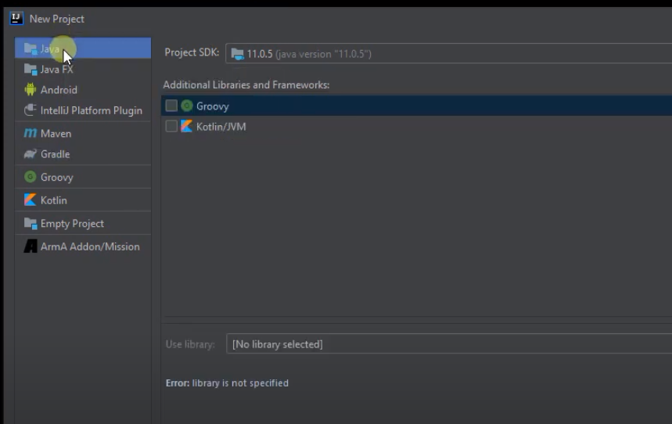
Right click here...Inside the cup class ... then show action context

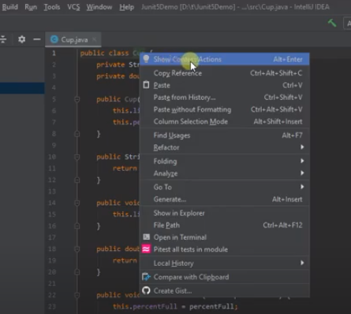
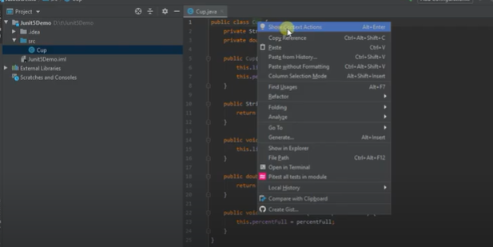

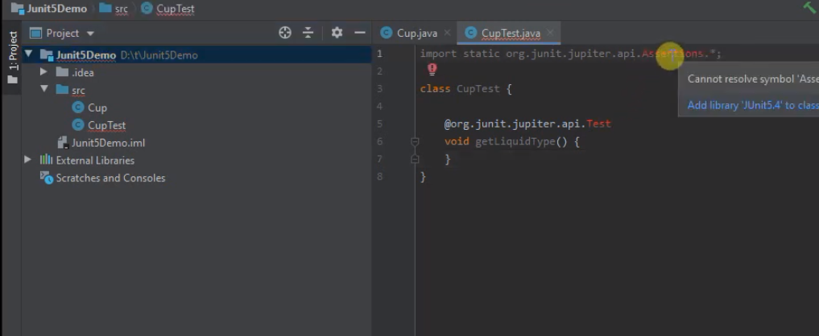
After creating a project ... create a class to test ... then right click the class -> show Context Actions and then -> select Create Tests .... pick JUNIT5 -> Will say not found -> Fix and pick a recent JUNIT5

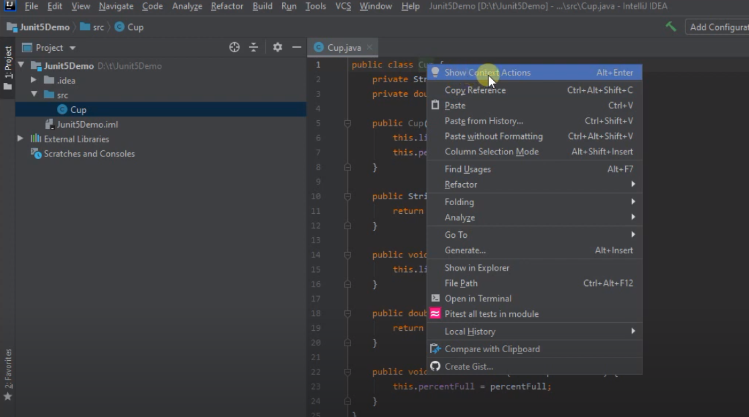
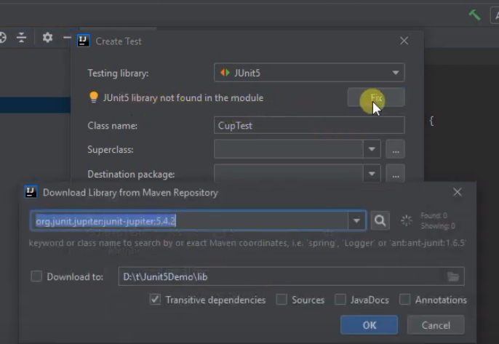

Now need to get the imports right

SetUp Part 2
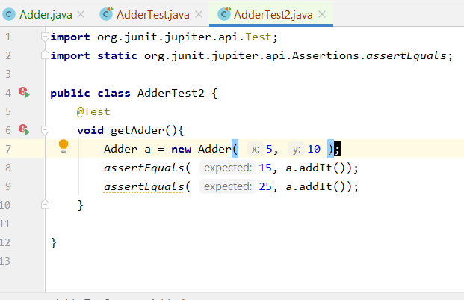
https://www.jetbrains.com/help/idea/2018.1/creating-and-managing-modules.html#configuring-content-roots

1. Select Proect -> New Directory ... call it tests
Notice it is at same 'level' as src
Right-click a folder in the Project tool window.
Select Mark Directory as from the context menu.
Select the necessary category.
Mark it as "Test Sources Root"
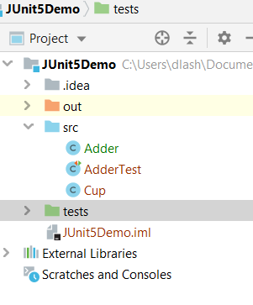

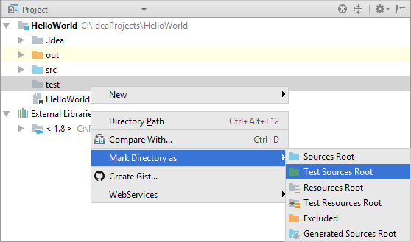

Create a new class in the tests directory ... called it AdderTest2.java
add in the code ..
note that when adding 2 tests in 1 method ... if 1 fails no indicate 1 passes

JUNIT Asserts
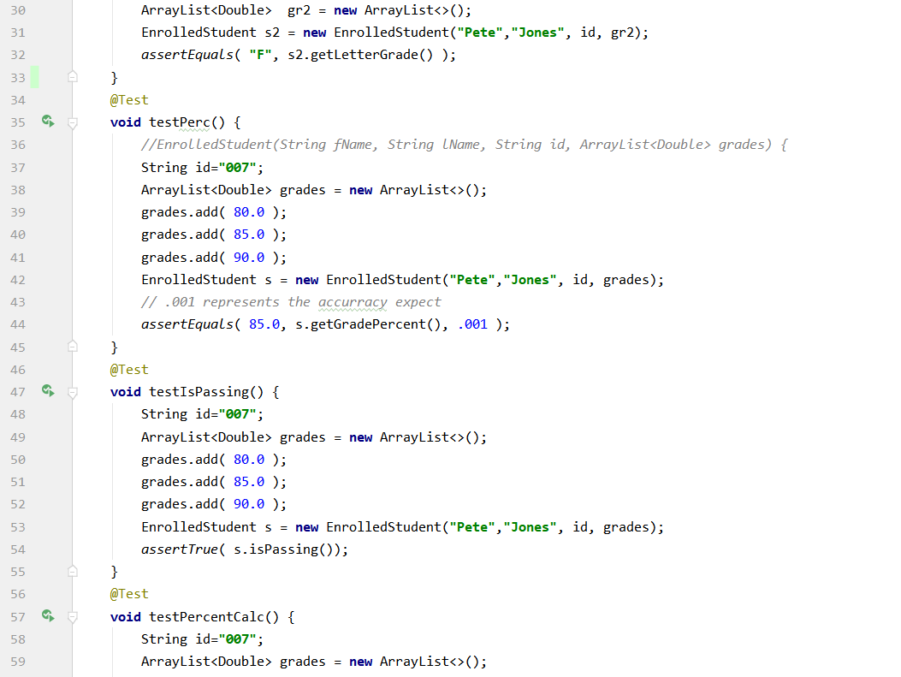
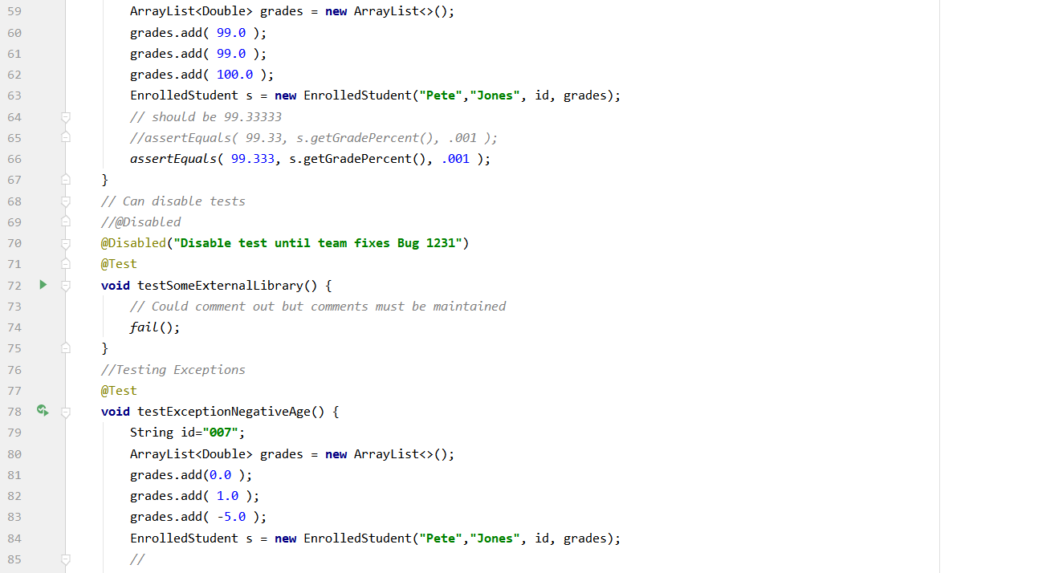
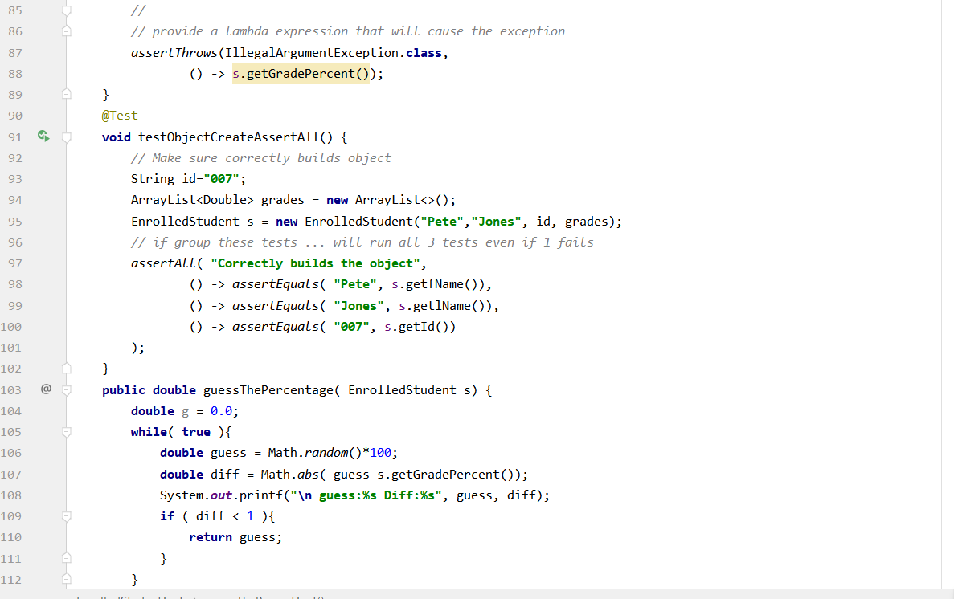
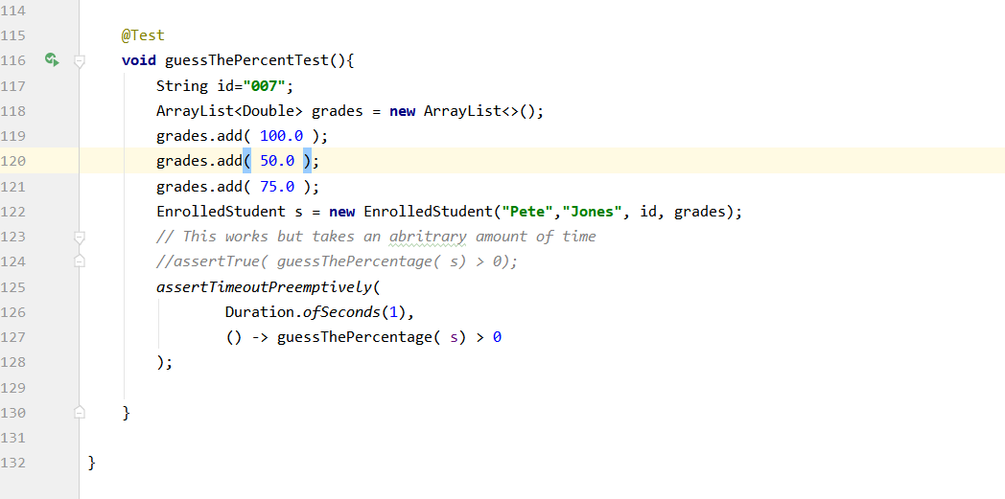
Intro to JUnit Tests
Using JUNIT 5 with a plain java project: 7:00 https://www.youtube.com/watch?v=o5pE7L2tVV8
Create a plain old java project

Getting going

All about junit tests 17:00 - https://www.youtube.com/watch?v=GaNW6Q__5jc&list=PL-suslzEBiMobIYkpy0ijFzSZF1w_ok8r

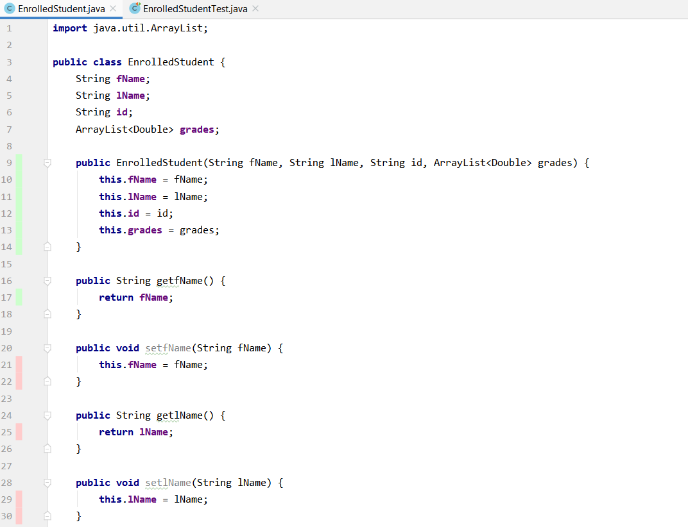

https://howtodoinjava.com/junit5/junit-5-assertions-examples/

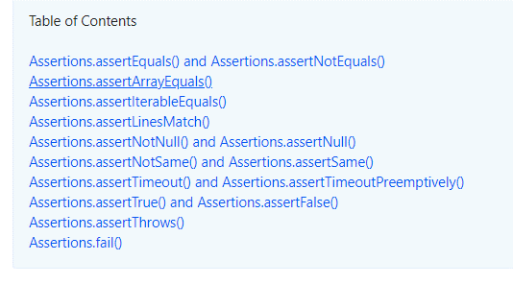

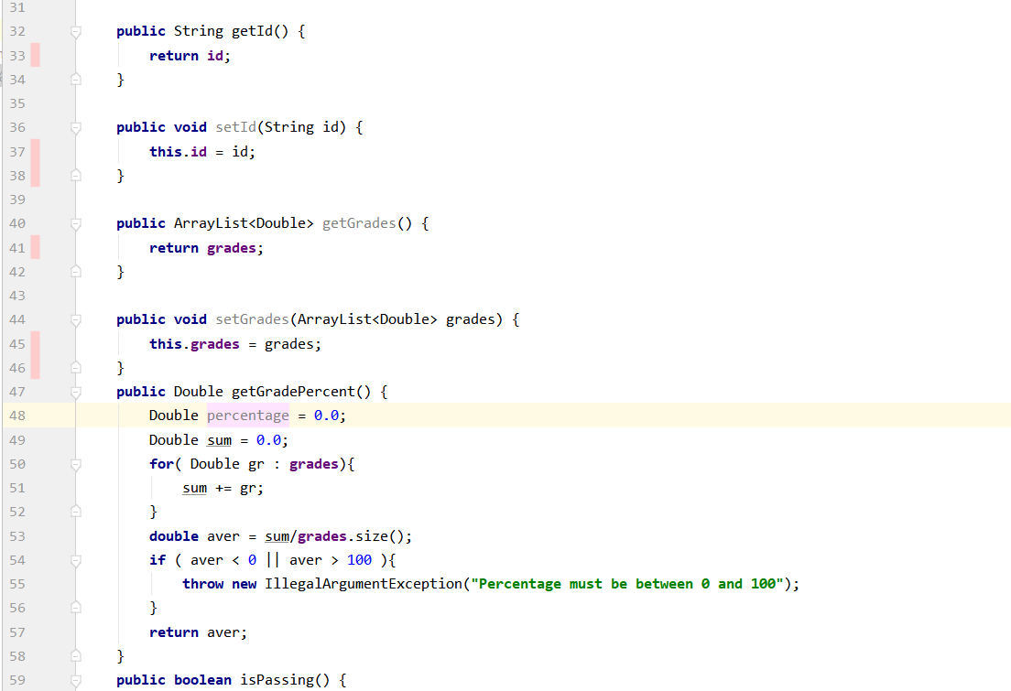

Suppose have this class ... what do you need to test?

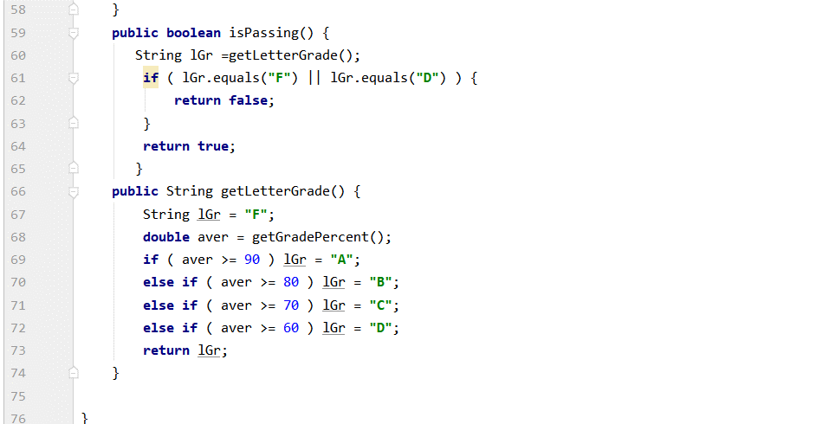

https://stackoverflow.com/questions/35553464/java-assert-double-is-nan
boolean isNan = Double.isNaN(calculateIt("input text"));
assertTrue(isNan);

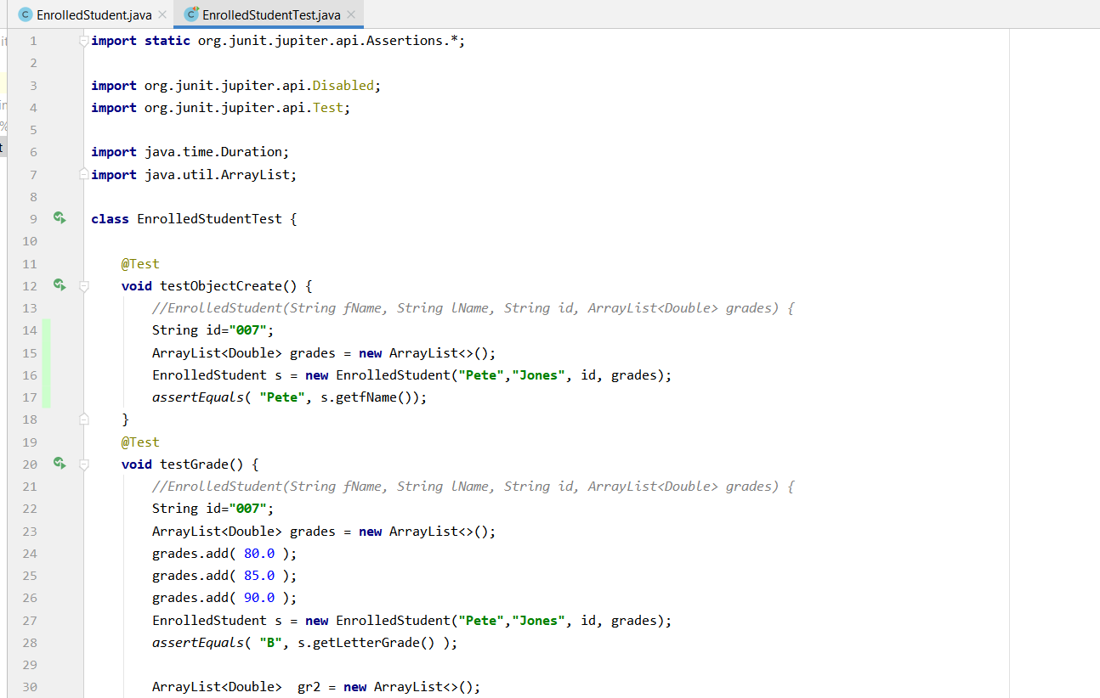
Use these test suites

Does class creation work?

Does class creation work?

SalesBounus
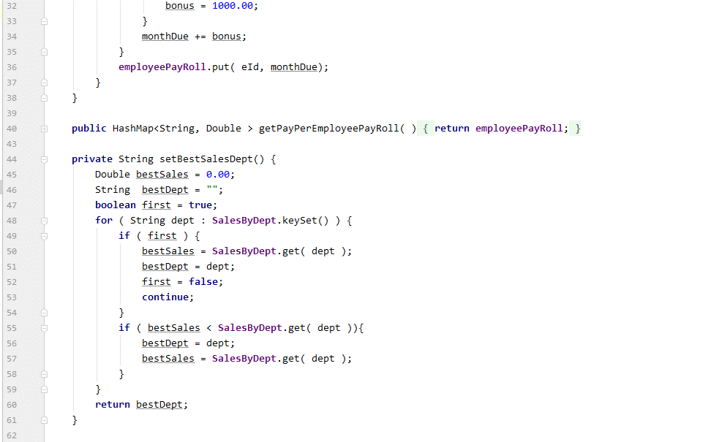
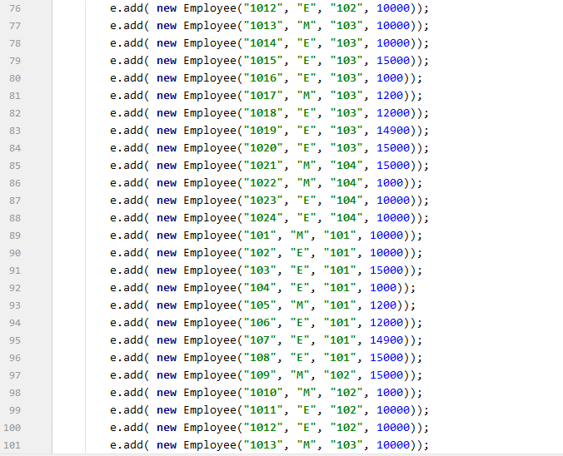
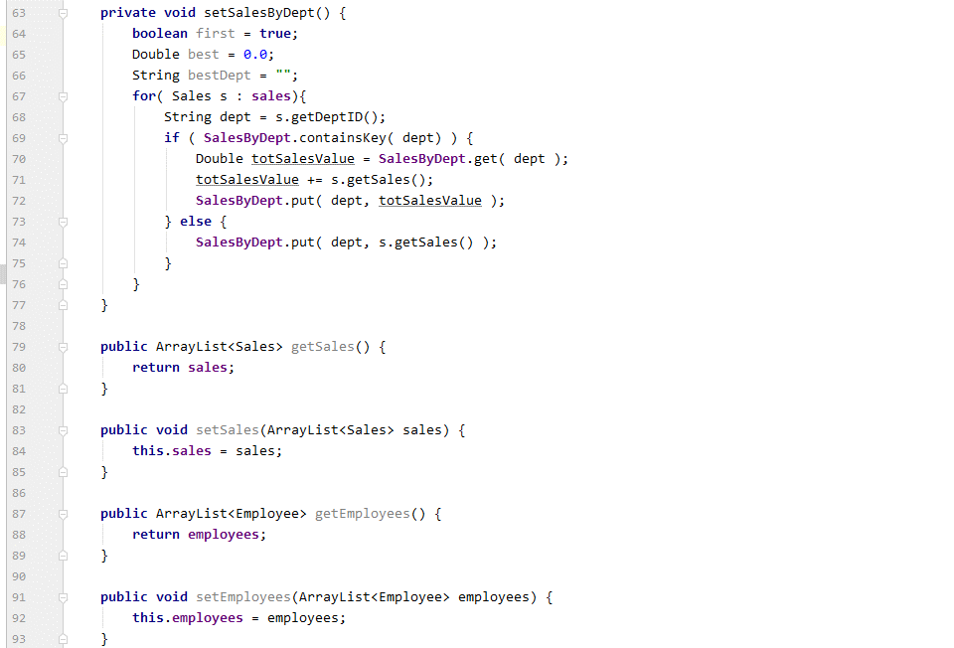
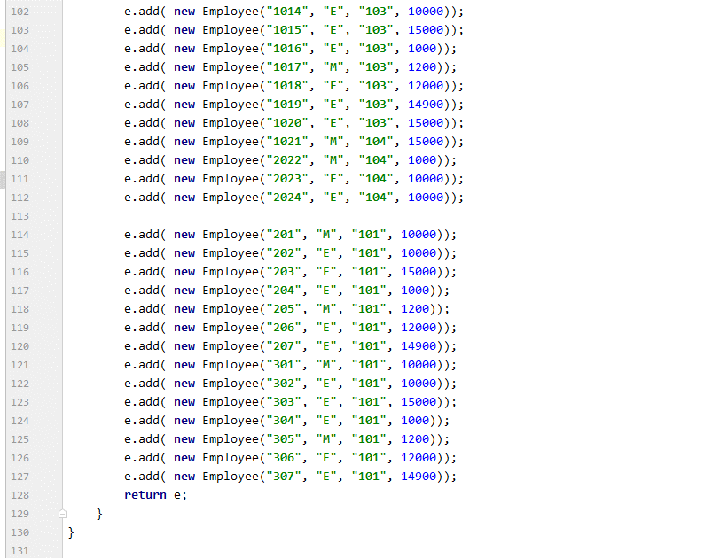
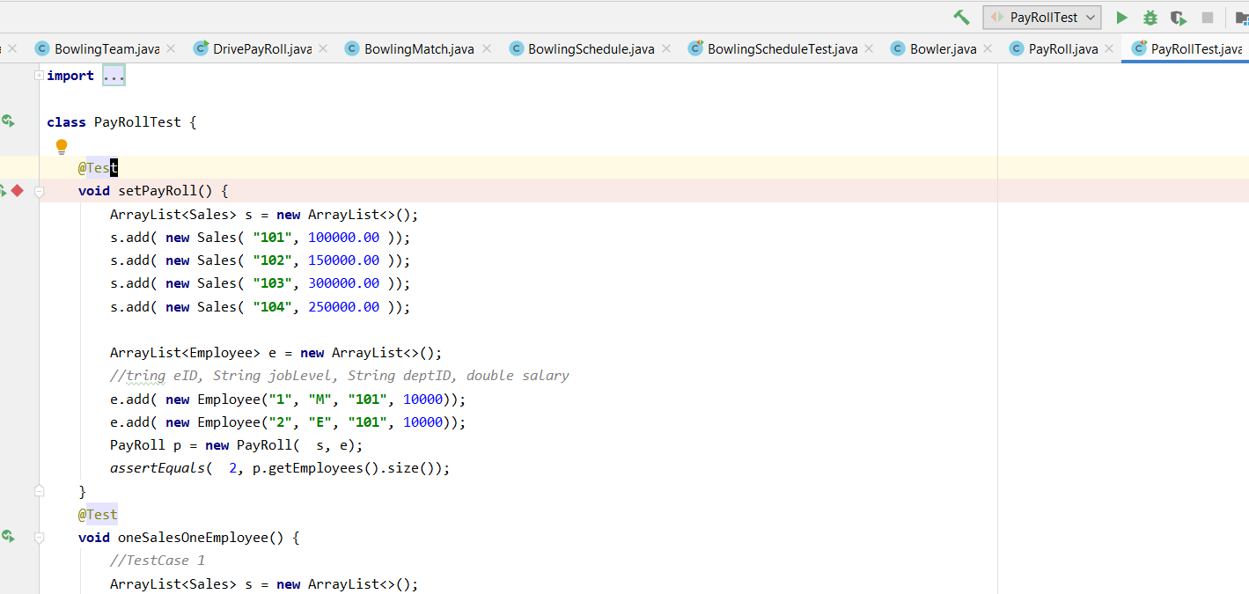
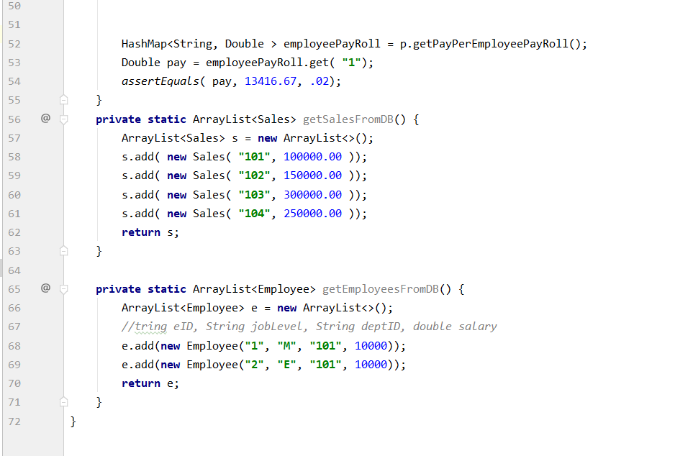
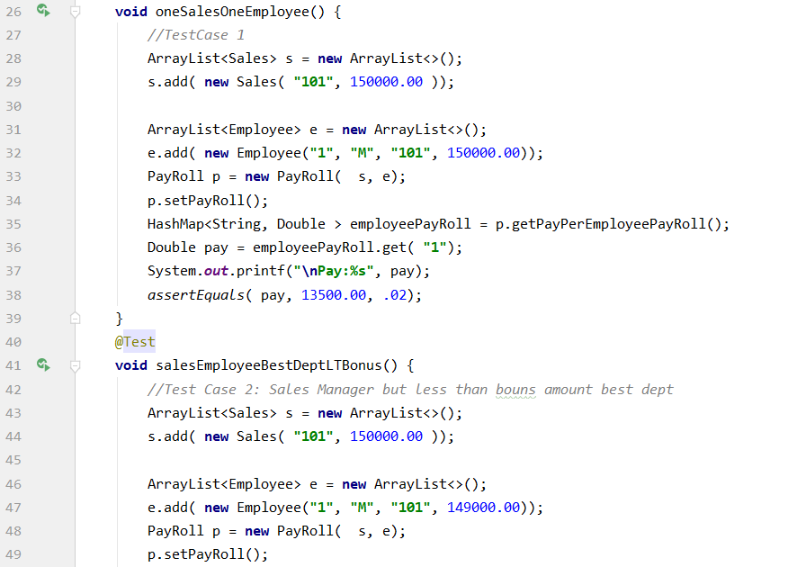
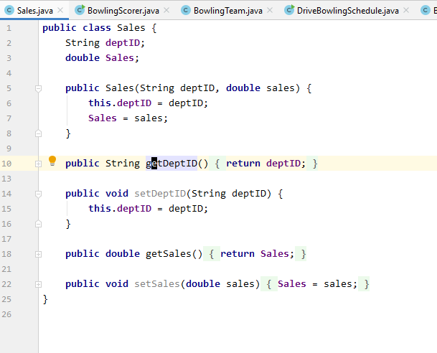
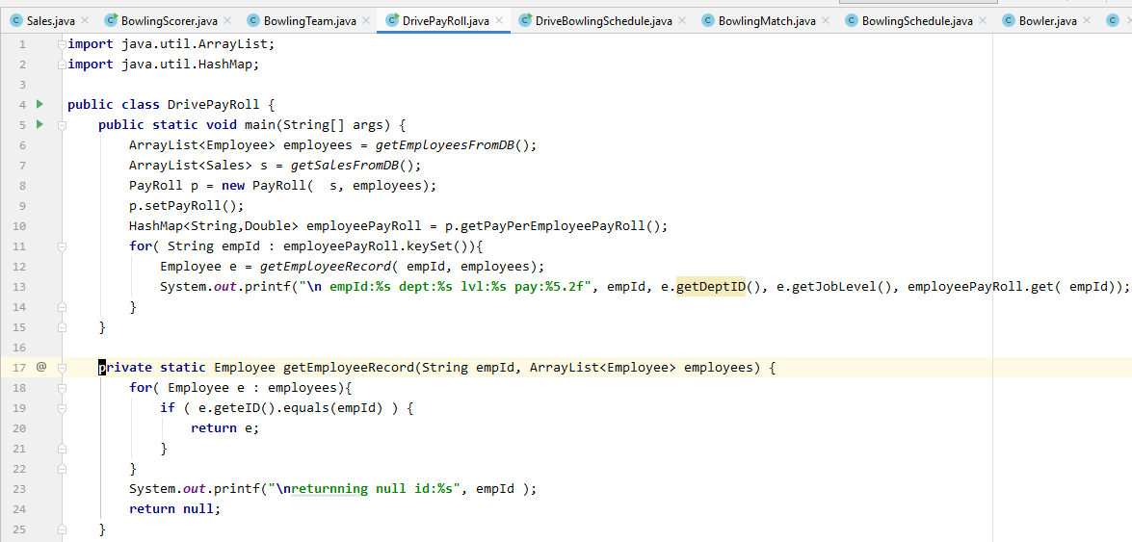

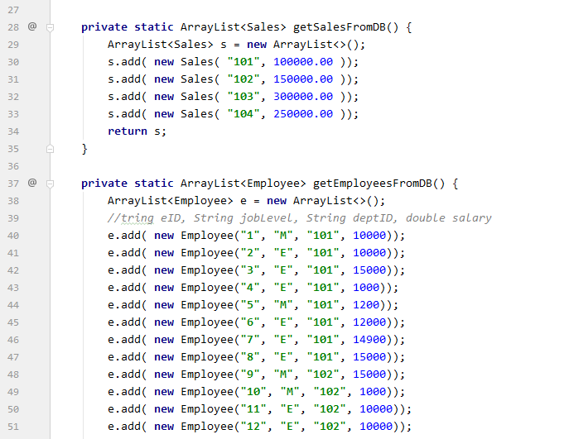

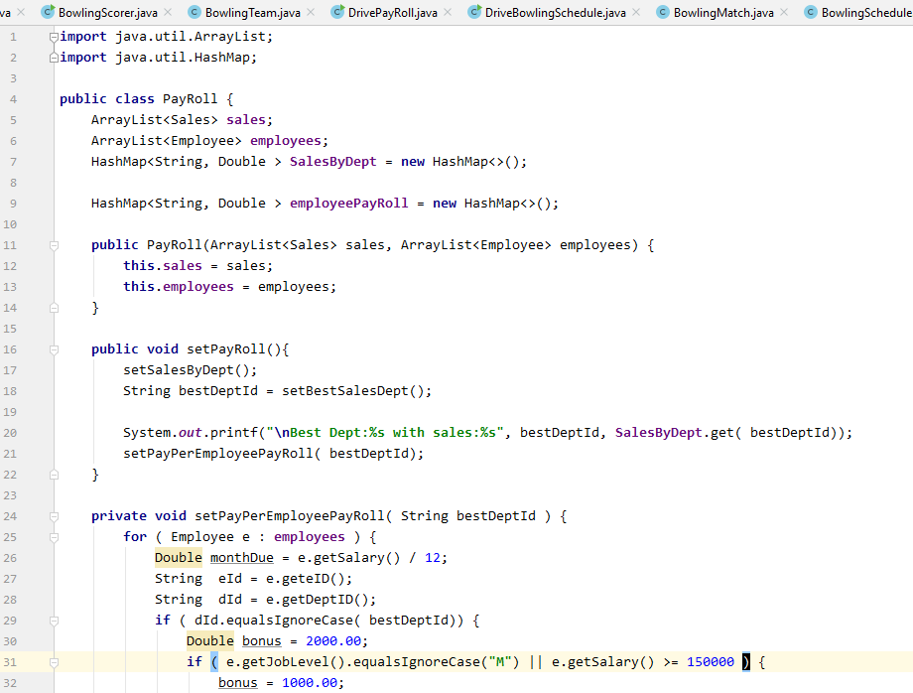

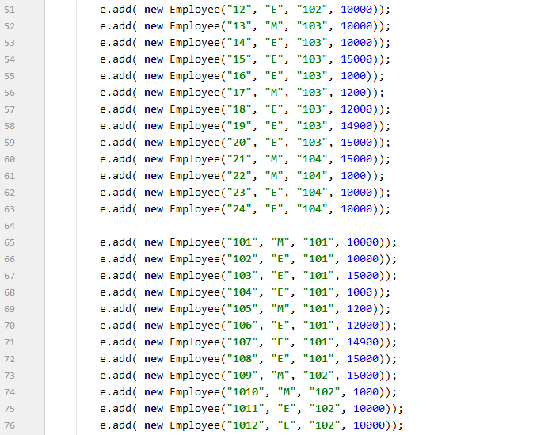

Here is interesting place for tests

BowlingHcap
